Instructions
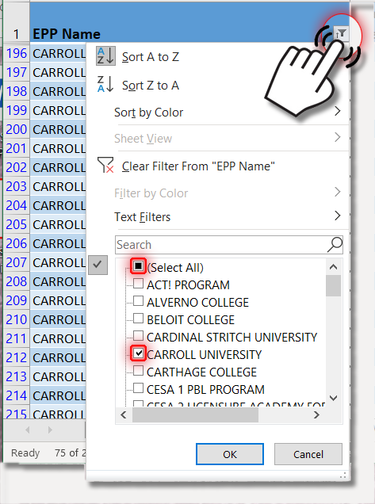
Looking for an Approved Educator Preparation Program (EPP)?

This information is updated often. To ensure that you have the most up-to-date file, DO NOT STORE this for reference.
Visit Approved Educator Preparation Programs to download the latest file.
This file dated: April 25, 2024
Use the tabs at the bottom of this Excel sheet to locate the license type: Teacher, Administrator, and Pupil Services.

 | · All programs appear in the default lists.

 | · You may filter your search by Educator Preparation Program (EPP), license code, license name, or developmental level.

 | · Filter your search to display only what you want:

 |  | 1) Click on the filter button in the upper right of the column by which you'd like to search.

 |  | 2) Uncheck "Select All" at the bottom of the filter's drop-down window (see picture below).

 |  | 3) Check the specific item(s) you would like to search. Click "OK."

